TABLE
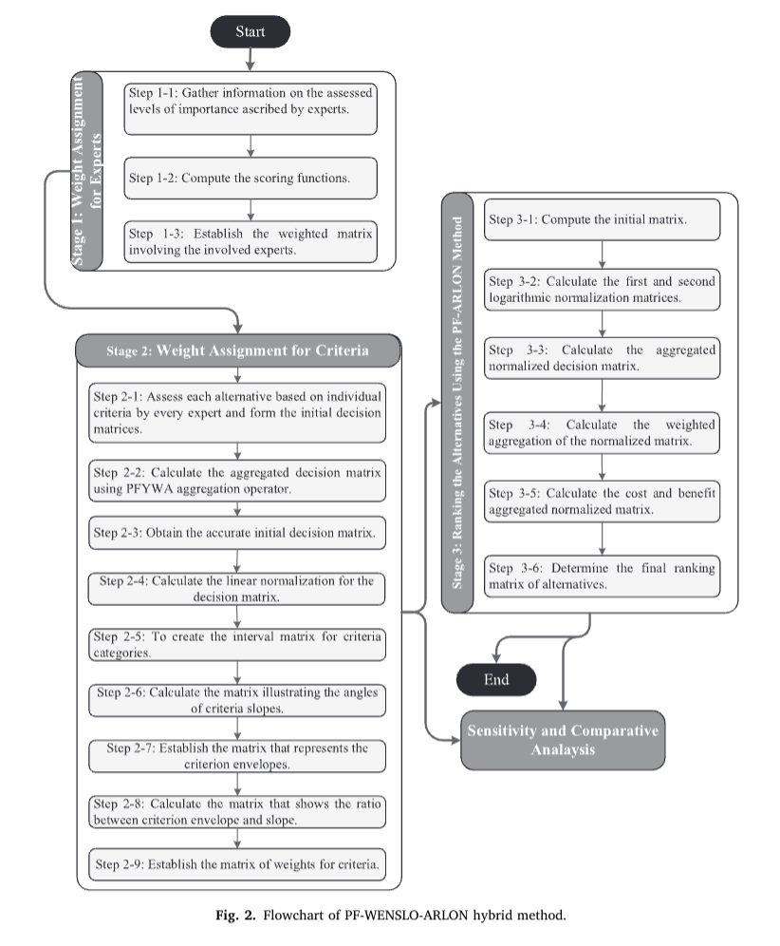
ρ̃, ϱ̃, σ̃: PF (Picture Fuzzy) setlerinin üyelik dereceleri—“pozitif”, “belirsizlik” ve “negatif” bileşenleri.

Alternative | ρ (Positive) | ϱ (Neutral) | σ (Negative) | ϛ (Refusal)
Work-related disease risk | 0.95 | 0 | 0 | 0
Risk of noise-induced hearing loss | 0.65 | 0.4 | 0.05 | 0.05
Risks from natural disasters (e.g. earthquake, flood) | 0.65 | 0.35 | 0 | 0
Risk of exposure to chemicals | 0.85 | 0.1 | 0 | 0.05
Machinery and equipment safety risk | 0.95 | 0 | 0 | 0
Psychosocial risks (stress, mobbing, etc.) | 0.35 | 0.45 | 0.1 | 0.1
Risk of ergonomic inconvenience | 0.30 | 0.35 | 0.15 | 0.2
Risk of ergonomic inconvenience | 0.7 | 0.15 | 0.05 | 0.1
Possibility of fire | 0.6 | 0.35 | 0.05 | 0
The level of occupational health and safety training of employees | 0.85 | 0.1 | 0 | 0.05
Identifying hazards in advance and keeping risk analyses up-to-date | 0.85 | 0.1 | 0.05 | 0
Making active noise cancelling headphones mandatory in areas with high noise levels | 0.2 | 0.4 | 0.15 | 0.25
Integrating behavioral safety training programs into on-the-job training | 0.40 | 0.55 | 0.05 | 0
Periodic health screenings for occupational diseases should be carried out twice a year. | 0.7 | 0.3 | 0 | 0
Daily exposure monitoring for personnel working with hazardous chemicals | 0.75 | 0.1 | 0 | 0.15
Establishing air-conditioned rest areas for employees exposed to high temperatures | 0.5 | 0.35 | 0.15 | 0
Mandatory safety briefings at the beginning of each shift | 0.35 | 0.4 | 0.2 | 0.05
Establishing a software system for instant tracking and analysis of accident/breakage reports in digital environment | 0.2 | 0.5 | 0.25 | 0.05
Organizing special high risk awareness workshops for new employees | 0.3 | 0.3 | 0.2 | 0.2
Providing training to all employees once a year with OHS virtual reality (VR) simulation | 0.65 | 0.2 | 0.05 | 0.1
Implementation of rotation system in jobs that carry the risk of occupational diseases | 0.40 | 0.35 | 0.05 | 0.15
Implementation of an employee reward system based on safety observations | 0.8 | 0.2 | 0 | 0
Warning signs placed in areas where work accidents frequently occur should be made illuminated and audible. | 0.8 | 0.1 | 0.05 | 0.05

STEP 2-1: ASSESS EACH ALTERNATİVE BASED ON INDIVIDUAL CRITERIA BY EVERY EXPERT AND FORM THE INITIAL DECISION MATRICES .

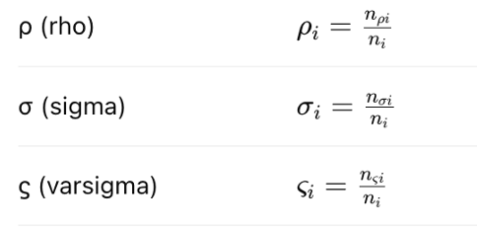

 |  |  |  |  | <

STEP 4
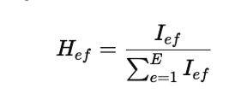
Alternative | ρ (Positive) | ϱ (Neutral) | σ (Negative) | score function (S (Ief)) | linear normalization H= Hef
Work-related disease risk | 0.95 | 0 | 0 | 0.98 | 0.0567
Risk of noise-induced hearing loss | 0.65 | 0.4 | 0.05 | 0.73 | 0.0423
Risks from natural disasters (e.g. earthquake, flood) | 0.65 | 0.35 | 0 | 0.77 | 0.0442
Risk of exposure to chemicals | 0.85 | 0.1 | 0 | 0.92 | 0.0528
Machinery and equipment safety risk | 0.95 | 0 | 0 | 0.98 | 0.0567
Psychosocial risks (stress, mobbing, etc.) | 0.35 | 0.45 | 0.1 | 0.60 | 0.0346
Risk of ergonomic inconvenience | 0.3 | 0.35 | 0.15 | 0.60 | 0.0346
Risk of electrical hazard | 0.7 | 0.15 | 0.05 | 0.83 | 0.0480
Possibility of fire | 0.6 | 0.35 | 0.05 | 0.73 | 0.0423
The level of occupational health and safety training of employees | 0.85 | 0.1 | 0 | 0.92 | 0.0528
Identifying hazards in advance and keeping risk analyses up-to-date | 0.85 | 0.1 | 0.05 | 0.90 | 0.0519
Making active noise cancelling headphones mandatory in areas with high noise levels | 0.2 | 0.4 | 0.15 | 0.55 | 0.0317
Integrating behavioral safety training programs into on-the-job training | 0.4 | 0.55 | 0.05 | 0.60 | 0.0346
Periodic health screenings for occupational diseases should be carried out twice a year. | 0.7 | 0.3 | 0 | 0.80 | 0.0461
Daily exposure monitoring for personnel working with hazardous chemicals | 0.75 | 0.1 | 0 | 0.88 | 0.0509
Establishing air-conditioned rest areas for employees exposed to high temperatures | 0.5 | 0.35 | 0.15 | 0.67 | 0.0384
Mandatory safety briefings at the beginning of each shift | 0.35 | 0.4 | 0.2 | 0.58 | 0.0336
Establishing a software system for instant tracking and analysis of accident/breakage reports in digital environment | 0.2 | 0.5 | 0.25 | 0.48 | 0.0279
Organizing special high risk awareness workshops for new employees | 0.3 | 0.3 | 0,2 | 0.60 | 0.0346
Providing training to all employees once a year with OHS virtual reality (VR) simulation | 0.65 | 0.2 | 0.05 | 0.80 | 0.0461
Implementation of rotation system in jobs that carry the risk of occupational diseases | 0.4 | 0.35 | 0.05 | 0.67 | 0.0384
Implementation of an employee reward system based on safety observations | 0.8 | 0.2 | 0 | 0.87 | 0.0500
Warning signs placed in areas where work accidents frequently occur should be made illuminated and audible. | 0.8 | 0.1 | 0.05 | 0.88 | 0.0509
 | 13.75 | 6.1 | 1.4 | 17.35

STEP 2-3 : OBTAIN THE ACCURATE INITIAL DECİSİON MATRIX .

STEP 2-4 : CALCULATE THE LİNEAR NORMALIZATION FOR THE DECISION MATRIX .

STEP 7
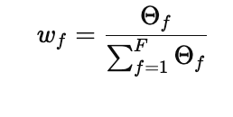
Alternative | ρ (Positive) | ϱ (Neutral) | σ (Negative)
Work-related disease risk | 0.95 | 0 | 0
Risk of noise-induced hearing loss | 0.65 | 0.4 | 0.05
Risks from natural disasters (e.g. earthquake, flood) | 0.65 | 0.35 | 0
Risk of exposure to chemicals | 0.85 | 0.1 | 0
Machinery and equipment safety risk | 0.95 | 0 | 0
Psychosocial risks (stress, mobbing, etc.) | 0.35 | 0.45 | 0.1 | Λf = | 0.2443
Risk of ergonomic inconvenience | 0.3 | 0.35 | 0.15 | tanθf​= | 0.002
Risk of electrical hazard | 0.7 | 0.15 | 0.05 | Θ f = | 122.15
Possibility of fire | 0.6 | 0.35 | 0.05 | W f = | 1
The level of occupational health and safety training of employees | 0.85 | 0.1 | 0
Identifying hazards in advance and keeping risk analyses up-to-date | 0.85 | 0.1 | 0.05
Making active noise cancelling headphones mandatory in areas with high noise levels | 0.2 | 0.4 | 0.15
Integrating behavioral safety training programs into on-the-job training | 0.4 | 0.55 | 0.05
Periodic health screenings for occupational diseases should be carried out twice a year. | 0.7 | 0.3 | 0
Daily exposure monitoring for personnel working with hazardous chemicals | 0.75 | 0.1 | 0
Establishing air-conditioned rest areas for employees exposed to high temperatures | 0.5 | 0.35 | 0.15
Mandatory safety briefings at the beginning of each shift | 0.35 | 0.4 | 0.2
Establishing a software system for instant tracking and analysis of accident/breakage reports in digital environment | 0.2 | 0.5 | 0.25
Organizing special high risk awareness workshops for new employees | 0.3 | 0.3 | 0,2
Providing training to all employees once a year with OHS virtual reality (VR) simulation | 0.65 | 0.2 | 0.05
Implementation of rotation system in jobs that carry the risk of occupational diseases | 0.4 | 0.35 | 0.05
Implementation of an employee reward system based on safety observations | 0.8 | 0.2 | 0
Warning signs placed in areas where work accidents frequently occur should be made illuminated and audible. | 0.8 | 0.1 | 0.05
 | 13.75 | 6.1 | 1.4

STEP 2-8 : CALCULATE THE MATRIX THAT SHOWS THE RATIO BETWEEN CRITERION ENVELOPE AND SLOPE .

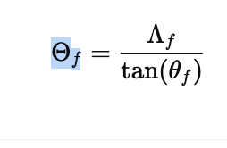

STEP 2-9: ESTABLISH THE MATRIX OF WEIGHTS FOR CRITERIA

STEP 8
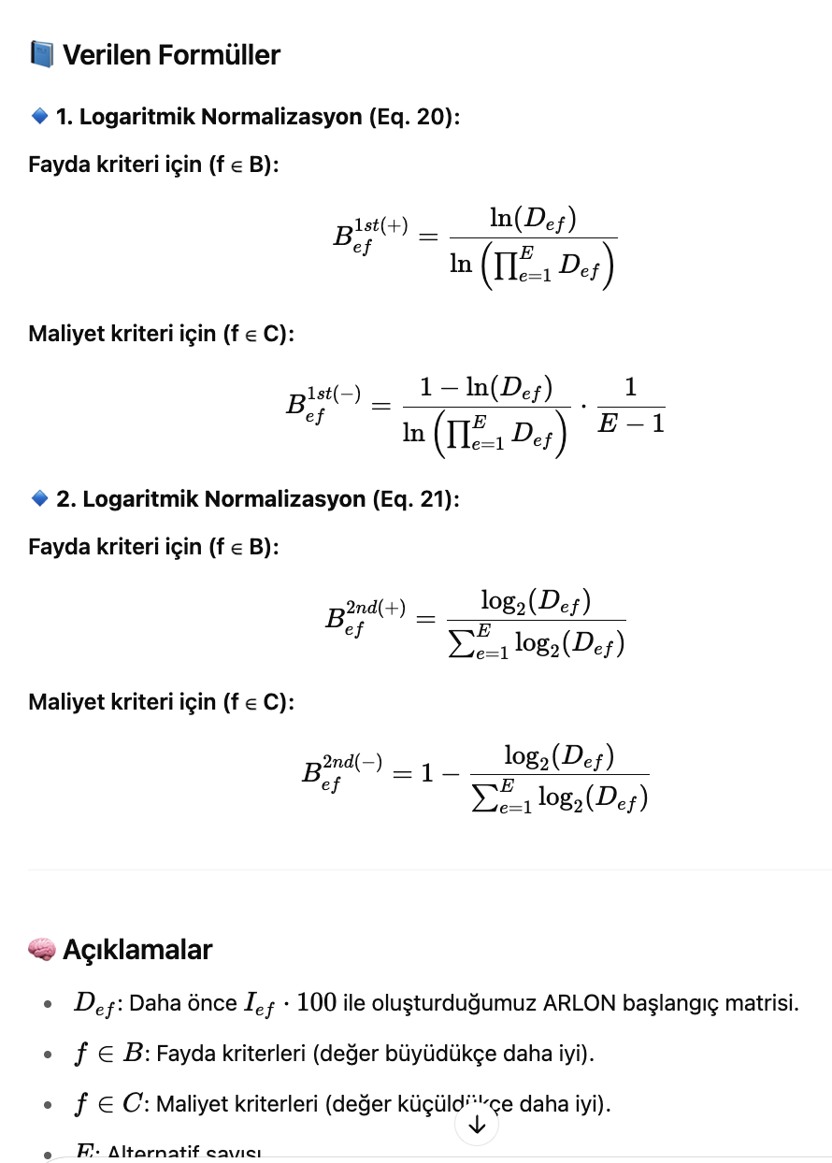
Alternative | ρ (Positive) | ϱ (Neutral) | σ (Negative) | score function I ef | Def | B ef 1st (+) | B ef 1st (-) | Bef 2nd (+) | Bef 2nd (-) | Bef norm
Work-related disease risk | 0.95 | 0 | 0 | 0.98 | 98.333333333 | 0.61516410387 | 0.38483589613 | 0.61516410387 | 0.38483589613 | 0.61516410387
Risk of noise-induced hearing loss | 0.65 | 0.4 | 0.05 | 0.73 | 73.333333333 | 0.57583481803 | 0.42416518197 | 0.57583481803 | 0.42416518197 | 0.57583481803
Risks from natural disasters (e.g. earthquake, flood) | 0.65 | 0.35 | 0 | 0.77 | 76.666666667 | 0.5817944878 | 0.4182055122 | 0.5817944878 | 0.4182055122 | 0.5817944878
Risk of exposure to chemicals | 0.85 | 0.1 | 0 | 0.92 | 91.666666667 | 0.60575178422 | 0.39424821578 | 0.60575178422 | 0.39424821578 | 0.60575178422
Machinery and equipment safety risk | 0.95 | 0 | 0 | 0.98 | 98.333333333 | 0.61516410387 | 0.38483589613 | 0.61516410387 | 0.38483589613 | 0.61516410387
Psychosocial risks (stress, mobbing, etc.) | 0.35 | 0.45 | 0.1 | 0.60 | 60 | 0.54893079872 | 0.45106920128 | 0.54893079872 | 0.45106920128 | 0.54893079872
Risk of ergonomic inconvenience | 0.3 | 0.35 | 0.15 | 0.60 | 60 | 0.54893079872 | 0.45106920128 | 0.54893079872 | 0.45106920128 | 0.54893079872
Risk of electrical hazard | 0.7 | 0.15 | 0.05 | 0.83 | 83.333333333 | 0.59297350132 | 0.40702649868 | 0.59297350132 | 0.40702649868 | 0.59297350132
Possibility of fire | 0.6 | 0.35 | 0.05 | 0.73 | 73.333333333 | 0.57583481803 | 0.42416518197 | 0.57583481803 | 0.42416518197 | 0.57583481803
The level of occupational health and safety training of employees | 0.85 | 0.1 | 0 | 0.92 | 91.666666667 | 0.60575178422 | 0.39424821578 | 0.60575178422 | 0.39424821578 | 0.60575178422
Identifying hazards in advance and keeping risk analyses up-to-date | 0.85 | 0.1 | 0.05 | 0.90 | 90 | 0.60329170613 | 0.39670829387 | 0.60329170613 | 0.39670829387 | 0.60329170613
Making active noise cancelling headphones mandatory in areas with high noise levels | 0.2 | 0.4 | 0.15 | 0.55 | 55 | 0.53726514041 | 0.46273485959 | 0.53726514041 | 0.46273485959 | 0.53726514041
Integrating behavioral safety training programs into on-the-job training | 0.4 | 0.55 | 0.05 | 0.60 | 60 | 0.54893079872 | 0.45106920128 | 0.54893079872 | 0.45106920128 | 0.54893079872
Periodic health screenings for occupational diseases should be carried out twice a year. | 0.7 | 0.3 | 0 | 0.80 | 80 | 0.58750047634 | 0.41249952366 | 0.58750047634 | 0.41249952366 | 0.58750047634
Daily exposure monitoring for personnel working with hazardous chemicals | 0.75 | 0.1 | 0 | 0.88 | 88.333333333 | 0.60078564262 | 0.39921435738 | 0.60078564262 | 0.39921435738 | 0.60078564262
Establishing air-conditioned rest areas for employees exposed to high temperatures | 0.5 | 0.35 | 0.15 | 0.67 | 66.666666667 | 0.56305653512 | 0.43694346488 | 0.56305653512 | 0.43694346488 | 0.56305653512
Mandatory safety briefings at the beginning of each shift | 0.35 | 0.4 | 0.2 | 0.58 | 58.333333333 | 0.54515391533 | 0.45484608467 | 0.54515391533 | 0.45484608467 | 0.54515391533
Establishing a software system for instant tracking and analysis of accident/breakage reports in digital environment | 0.2 | 0.5 | 0.25 | 0.48 | 48.333333333 | 0.51994165972 | 0.48005834028 | 0.51994165972 | 0.48005834028 | 0.51994165972
Organizing special high risk awareness workshops for new employees | 0.3 | 0.3 | 0,2 | 0.60 | 60 | 0.54893079872 | 0.45106920128 | 0.54893079872 | 0.45106920128 | 0.54893079872
Providing training to all employees once a year with OHS virtual reality (VR) simulation | 0.65 | 0.2 | 0.05 | 0.80 | 80 | 0.58750047634 | 0.41249952366 | 0.58750047634 | 0.41249952366 | 0.58750047634
Implementation of rotation system in jobs that carry the risk of occupational diseases | 0.4 | 0.35 | 0.05 | 0.67 | 66.666666667 | 0.56305653512 | 0.43694346488 | 0.56305653512 | 0.43694346488 | 0.56305653512
Implementation of an employee reward system based on safety observations | 0.8 | 0.2 | 0 | 0.87 | 86.666666667 | 0.59823184171 | 0.40176815829 | 0.59823184171 | 0.40176815829 | 0.59823184171
Warning signs placed in areas where work accidents frequently occur should be made illuminated and audible. | 0.8 | 0.1 | 0.05 | 0.88 | 88.333333333 | 0.60078564262 | 0.39921435738 | 0.60078564262 | 0.39921435738 | 0.60078564262
 | 13.75 | 6.1 | 1.4 |  | 1735

STEP 3-1 : COMPUTE THE INITIAL MATRIX |  |  |  |  |  | STEP 3-3: CALCULATE THE AGGREGATED NORMALIZED DECISION MATRIX .

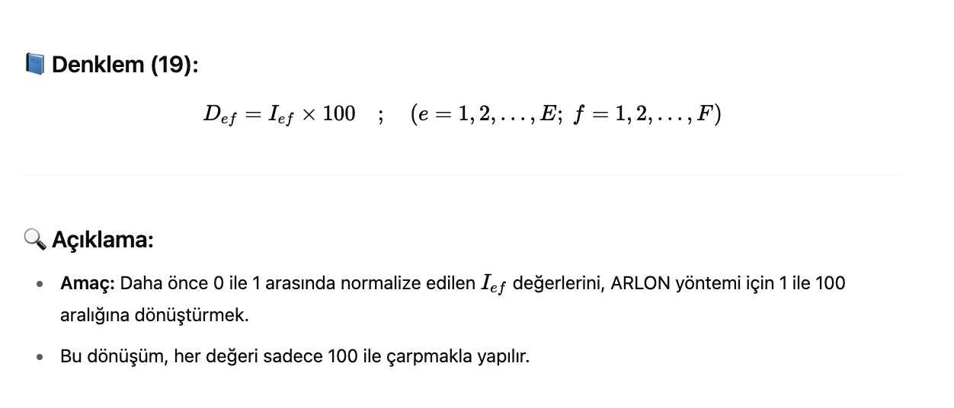

STEP 3-2 : CALCULATE THE FİRST AND SECOND LOGARİTHMIC NORMALIZATION MATRICES .

STEP 9
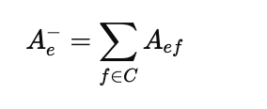
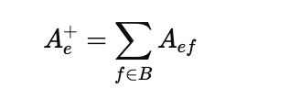
Alternative | ρ (Positive) | ϱ (Neutral) | σ (Negative) | W ( weight) | Bef norm | A ef | cost / benefit
Work-related disease risk | 0.95 | 0 | 0 | 0.00 | 0.2375 | 0 | Cost
Risk of noise-induced hearing loss | 0.65 | 0.4 | 0.05 | 0.04 | 0.26513878189 | 0.0094692422102 | Cost
Risks from natural disasters (e.g. earthquake, flood) | 0.65 | 0.35 | 0 | 0.00 | 0.1625 | 0 | Cost
Risk of exposure to chemicals | 0.85 | 0.1 | 0 | 0.00 | 0.2125 | 0 | Cost
Machinery and equipment safety risk | 0.95 | 0 | 0 | 0.00 | 0.2375 | 0 | Cost
Psychosocial risks (stress, mobbing, etc.) | 0.35 | 0.45 | 0.1 | 0.07 | 0.20604143467 | 0.014717245334 | Cost
Risk of ergonomic inconvenience | 0.3 | 0.35 | 0.15 | 0.11 | 0.21856601718 | 0.023417787555 | Cost
Risk of electrical hazard | 0.7 | 0.15 | 0.05 | 0.04 | 0.28104143467 | 0.010037194095 | Cost
Possibility of fire | 0.6 | 0.35 | 0.05 | 0.04 | 0.24910254038 | 0.0088965192992 | Cost
The level of occupational health and safety training of employees | 0.85 | 0.1 | 0 | 0.00 | 0.2125 | 0 | Cost | Ae (-)= | 0.066537988493
Identifying hazards in advance and keeping risk analyses up-to-date | 0.85 | 0.1 | 0.05 | 0.04 | 0.32807764064 | 0.011717058594 | Benefıt | Ae (+)= | 0.21011794726
Making active noise cancelling headphones mandatory in areas with high noise levels | 0.2 | 0.4 | 0.15 | 0.11 | 0.17410254038 | 0.018653843612 | Benefıt
Integrating behavioral safety training programs into on-the-job training | 0.4 | 0.55 | 0.05 | 0.04 | 0.18321067812 | 0.0065432385042 | Benefıt
Periodic health screenings for occupational diseases should be carried out twice a year. | 0.7 | 0.3 | 0 | 0.00 | 0.175 | 0 | Benefıt
Daily exposure monitoring for personnel working with hazardous chemicals | 0.75 | 0.1 | 0 | 0.00 | 0.1875 | 0 | Benefıt
Establishing air-conditioned rest areas for employees exposed to high temperatures | 0.5 | 0.35 | 0.15 | 0.11 | 0.29943063938 | 0.032081854219 | Benefıt
Mandatory safety briefings at the beginning of each shift | 0.35 | 0.4 | 0.2 | 0.14 | 0.26978756555 | 0.038541080793 | Benefıt
Establishing a software system for instant tracking and analysis of accident/breakage reports in digital environment | 0.2 | 0.5 | 0.25 | 0.18 | 0.22430339887 | 0.040054178371 | Benefıt
Organizing special high risk awareness workshops for new employees | 0.3 | 0.3 | 0,2 | 0.14 | 0.24747448714 | 0.035353498163 | Benefıt
Providing training to all employees once a year with OHS virtual reality (VR) simulation | 0.65 | 0.2 | 0.05 | 0.04 | 0.26513878189 | 0.0094692422102 | Benefıt
Implementation of rotation system in jobs that carry the risk of occupational diseases | 0.4 | 0.35 | 0.05 | 0.04 | 0.18321067812 | 0.0065432385042 | Benefıt
Implementation of an employee reward system based on safety observations | 0.8 | 0.2 | 0 | 0.00 | 0.2 | 0 | Benefıt
Warning signs placed in areas where work accidents frequently occur should be made illuminated and audible. | 0.8 | 0.1 | 0.05 | 0.04 | 0.3125 | 0.011160714286 | Benefıt
 | 13.75 | 6.1 | 1.4

STEP 3-4: CALCULATE THE WEIGHTED AGGREGATION OF THE NORMALIZED MATRIX
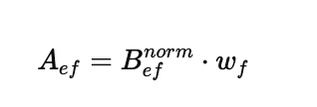

STEP 3-5 : CALCULATE THE COST AND BENEFIT AGGREGATED NORMALIZED MATRIX .

